MM.01_TC.01
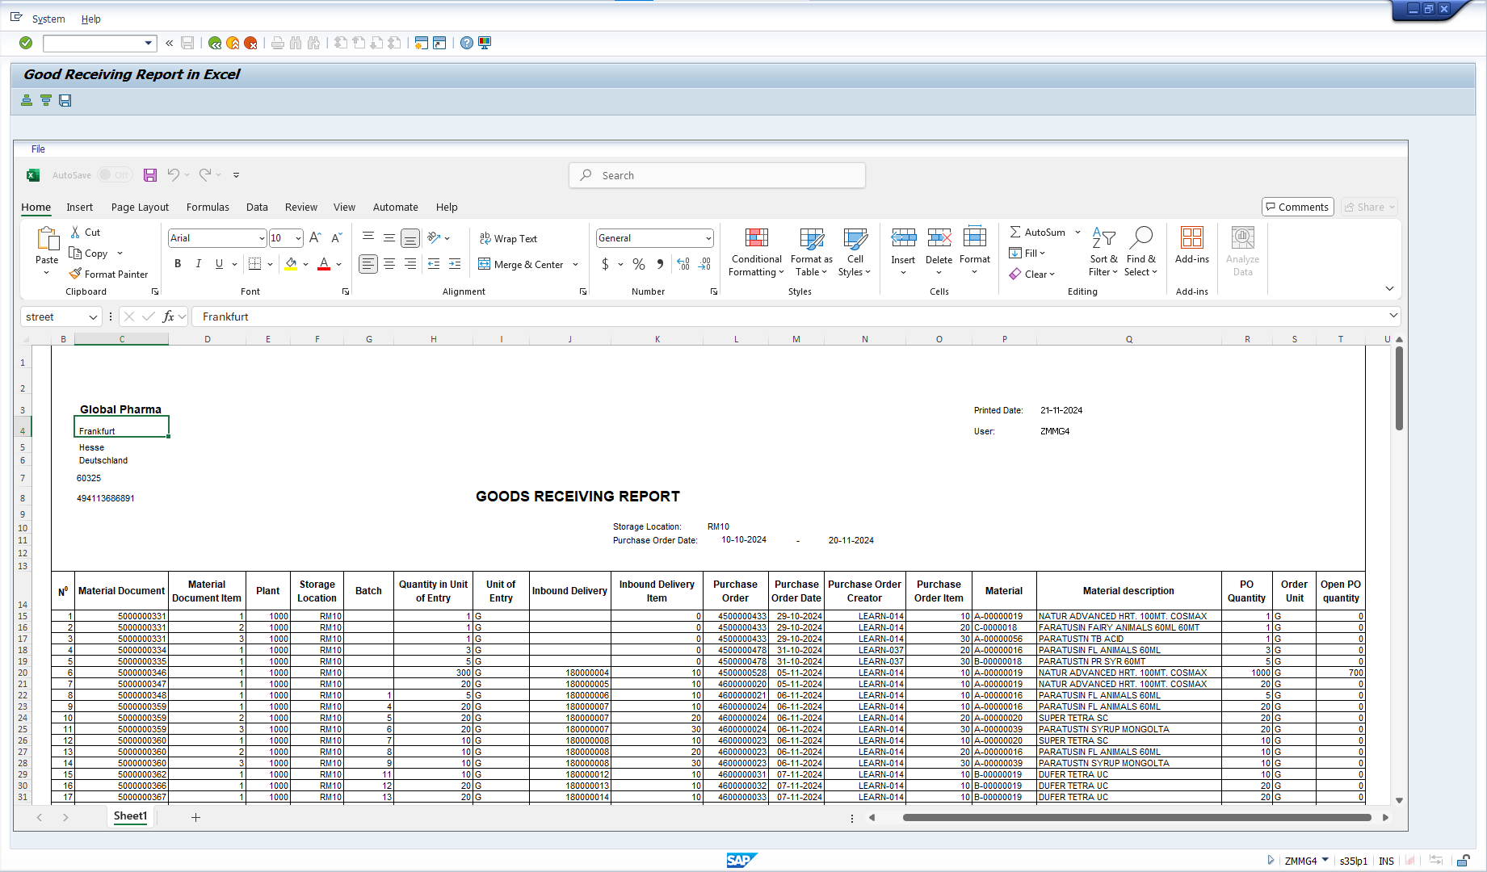
back | 2 |  | 5 | 17 | 30 | 41 | 50 | 59 | 68 | 74 | 80 | 82
 | NO. |  | Testcase | Input | Execution | Predicted Test Results | Actual Test Result | Bug Description | Test Results |  |  | Remarks
 |  |  |  |  |  |  |  |  | Tester | Test Date | Result
 | MM.R01_TC.01 |  | Check printing the Goods Received (GR) report on the SAP system. | - Tcode: ZMMR01 - Mandatory: Storage Location, Purchasing Document - Optional: Plant, Material, Delivery Number, Posting Date, Purchasing document. | The user enters Tcode ZMMR01 and uses the type field to search and open the GR report | The GR report displays the correct information query from table in abap dictionary |  |  | Hoang Xuan Thinh | 20.11.2024 | O | ghi chú nếu có

 | Step 1: | Tcode: ZMMR01

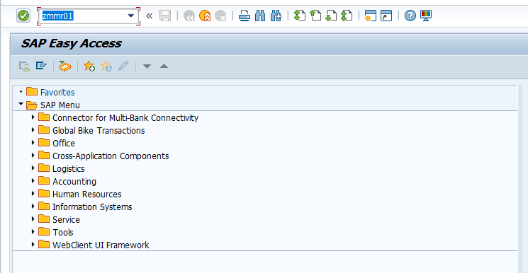

 | Step 2: | User enters the type field to search
 |  | Mandatory: Storage Location, Purchasing Document

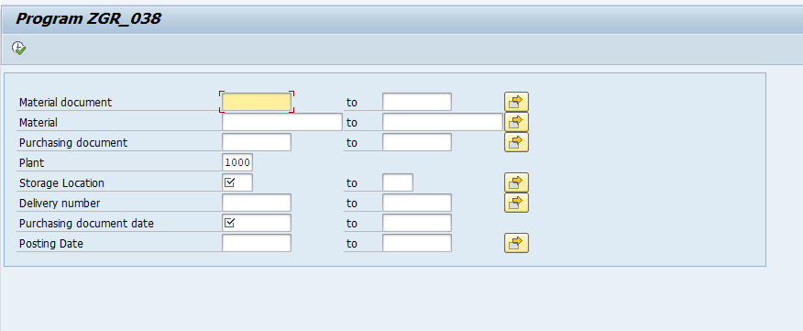

 | Step 3: | Generate Goods Receiving Report

MM.01_TC.02
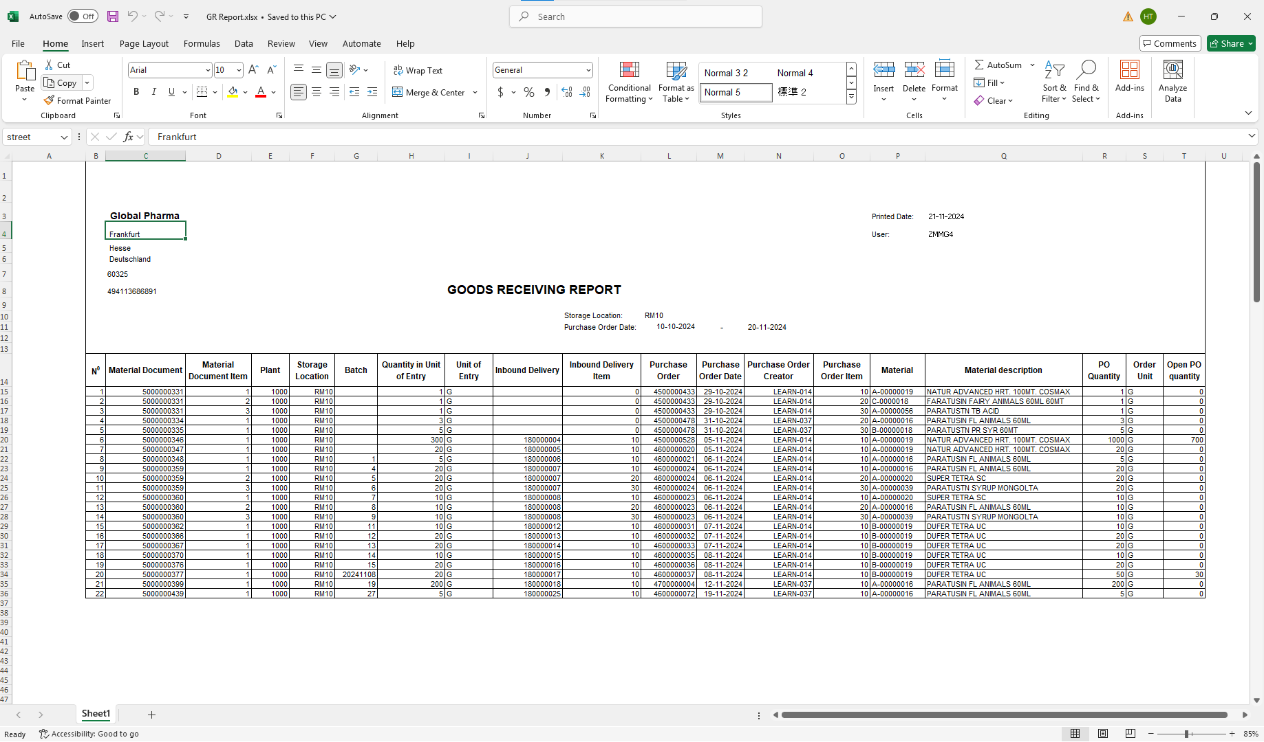
back | 2 |  | 5 | 17 | 30 | 41 | 50 | 59 | 68 | 74 | 80 | 82
 | NO. |  | Testcase | Input | Execution | Predicted Test Results | Actual Test Result | Bug Description | Test Results |  |  | Remarks
 |  |  |  |  |  |  |  |  | Tester | Test Date | Result
 | MM.R01_TC.02 |  | Downloading the Goods Received (GR) report in Excel format | - Tcode: ZMMR01 - Mandatory: Material document - Optional: Plant, Storage Location, Material, Delivery Number, Posting Date, Purchasing document, Purchasing Date | 1. Enter Tcode ZMMR01 2. Fill in PO number, Material number, Plant, Batch, and other required fields 3. Generate the Goods Received (GR) report 4. Click the Export to Excel button to download the report in Excel format (Edit file download path) | The report is successfully downloaded in download path with Excel format | Nguyen Lan Ngoc |  | Hoang Xuan Thinh | 20.11.2024 | O | ghi chú nếu có

 | Step 1: | Downloading the Goods Received (GR) report in Excel format
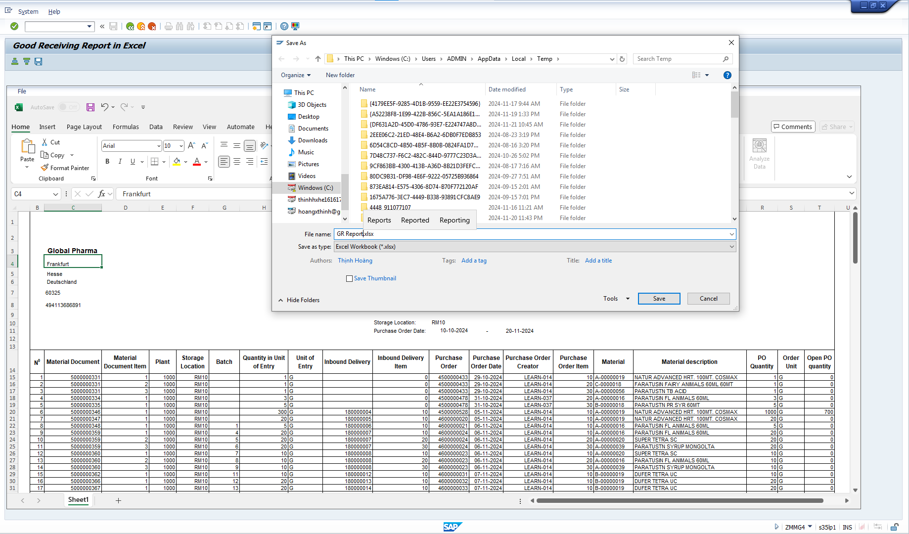

 | Result:

MM.01_TC.03
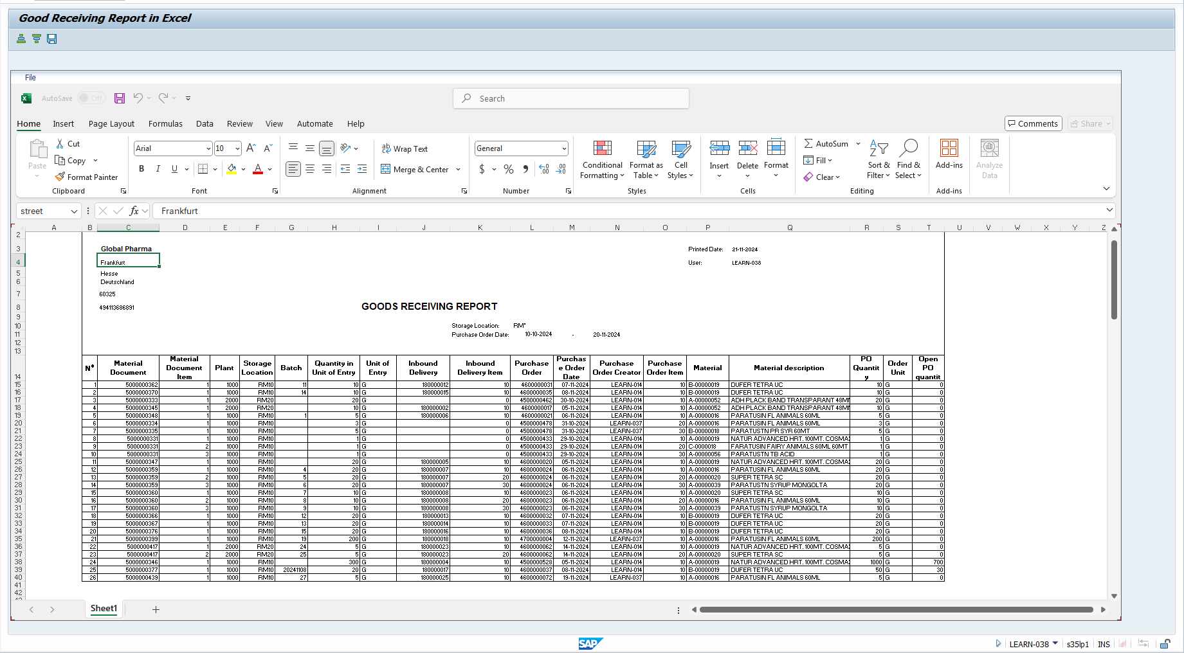
back | 2 |  | 5 | 17 | 30 | 41 | 50 | 59 | 68 | 74 | 80 | 82
 | NO. |  | Testcase | Input | Execution | Predicted Test Results | Actual Test Result | Bug Description | Test Results |  |  | Remarks
 |  |  |  |  |  |  |  |  | Tester | Test Date | Result
 | MM.R01_TC.03 |  | Check printing the GR report for the Plant the user is authorized | - Tcode: ZMMR01 - User ID belonging to Plant A - Mandatory: Material document - Optional: Plant, Storage Location, Material, Delivery Number, Posting Date, Purchasing document, Purchasing Date | 1. Log in to SAP using a user account that is authorized for Plant A 2. Enter Tcode ZMMR01 3. Fill in PO number, Material number, Plant A, Batch, and other required fields 3. Execute the Goods Received (GR) with plant A search report printer 4. Verify if the report is successfully generated and that only data relevant to Plant A is displayed | The user can only view the report for each plant belonging. |  |  | Hoang Xuan Thinh | 20.11.2024 | O | ghi chú nếu có

 | Step 1: | Tcode: ZMMR01
 | Case 1: User ZMMG4 belong plant 1000 only display plant 1000
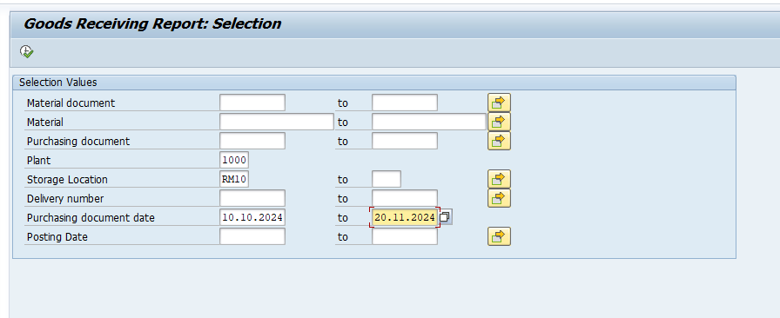

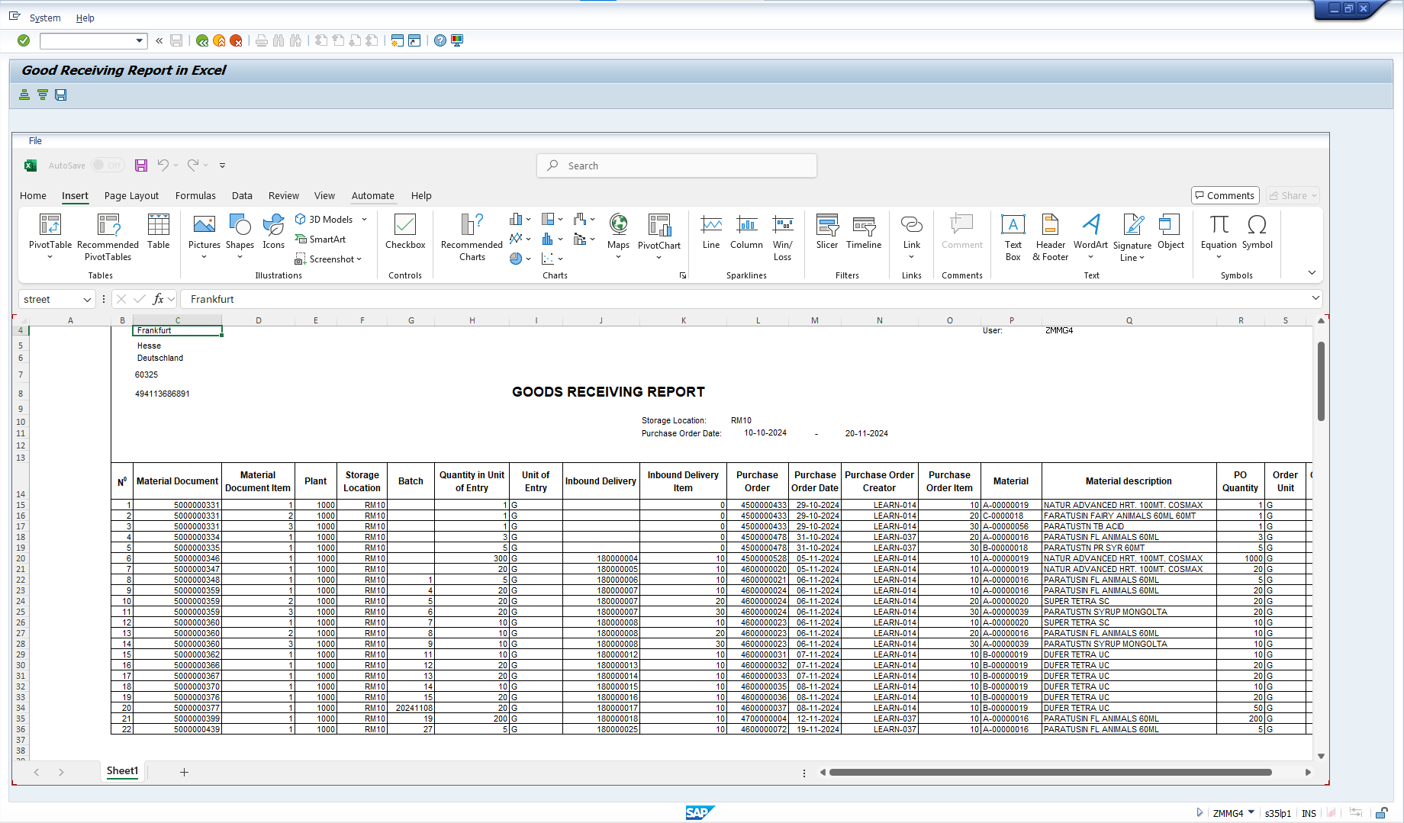

 | When enter plant 2000, check blocking access to reports of other plants authorize
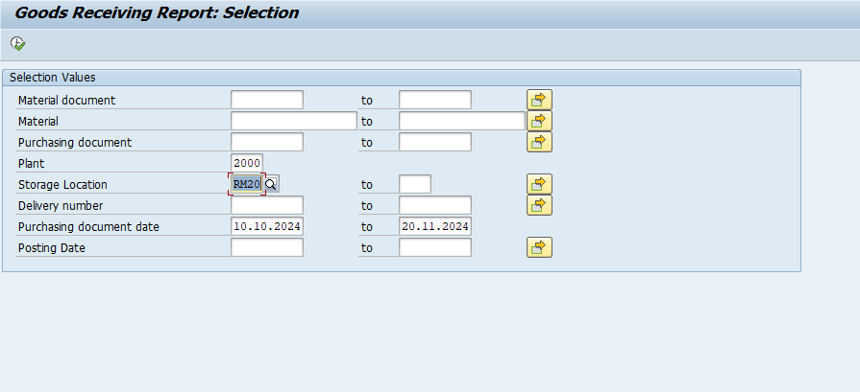



 | Case 2: User LEARN-038 also include both plant 1000 and plant 2000, user can see any plant in system

MM.01_TC.05
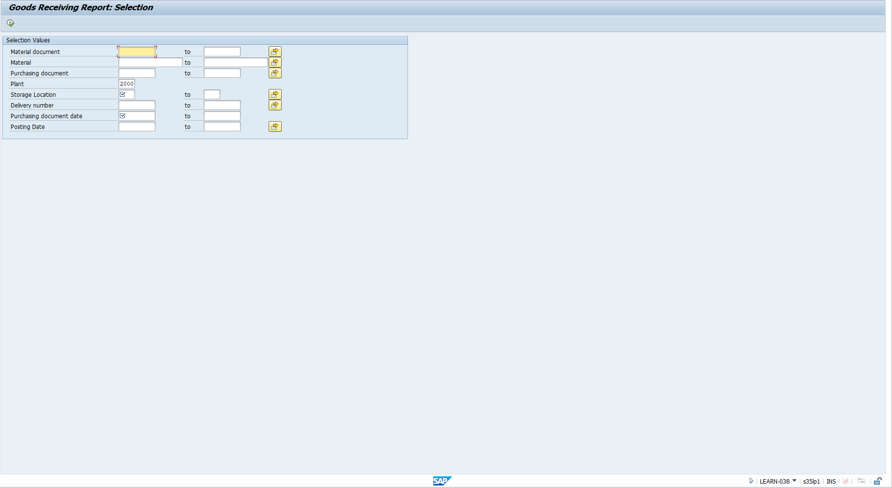
back | 2 |  | 5 | 17 | 30 | 41 | 50 | 59 | 68 | 74 | 80 | 82
 | NO. |  | Testcase | Input | Execution | Predicted Test Results | Actual Test Result | Bug Description | Test Results |  |  | Remarks
 |  |  |  |  |  |  |  |  | Tester | Test Date | Result
 | MM.01_TC.05!A1 |  | #N/A | #N/A | #N/A | #N/A | #N/A | #N/A | Người thực hiện | Ngày thực hiện | - | ghi chú nếu có

 | Step 1: | Tcode: ZMMR01
 | Case 1: User belong to plant 1000 auto suggust plant 1000 when start selection screen.



 | Case 2: User belong to plant 2000 auto suggust plant 2000 when start selection screen.

MM.01_TC.06
back | 2 |  | 5 | 17 | 30 | 41 | 50 | 59 | 68 | 74 | 80 | 82
 | NO. |  | Testcase | Input | Execution | Predicted Test Results | Actual Test Result | Bug Description | Test Results |  |  | Remarks
 |  |  |  |  |  |  |  |  | Tester | Test Date | Result
 | MM.01_TC.06!A1 |  | #N/A | #N/A | #N/A | #N/A | #N/A | #N/A | Người thực hiện | Ngày thực hiện | - | ghi chú nếu có

 | Step 1: | Tcode: ZMMR01
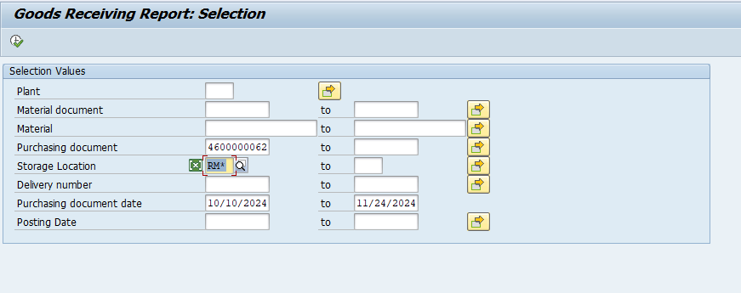
 |  |  | Tcode
 |  |  | Cách thực hiện
 |  |  | Hình ảnh thực hiện trên hệ thống

MM.01_TC.07
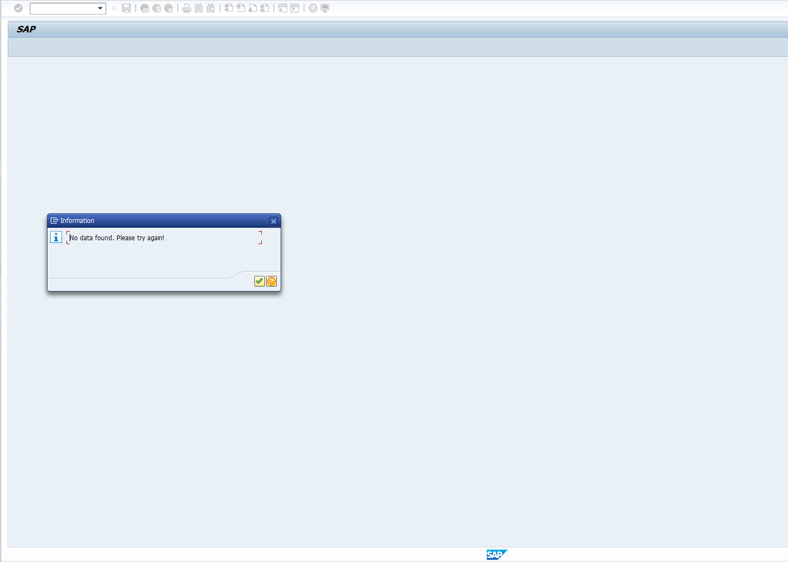
back | 2 |  | 5 | 17 | 30 | 41 | 50 | 59 | 68 | 74 | 80 | 82
 | NO. |  | Testcase | Input | Execution | Predicted Test Results | Actual Test Result | Bug Description | Test Results |  |  | Remarks
 |  |  |  |  |  |  |  |  | Tester | Test Date | Result
 | MM.01_TC.07!A1 |  | #N/A | #N/A | #N/A | #N/A | #N/A | #N/A | Người thực hiện | Ngày thực hiện | - | ghi chú nếu có

 | Step 1: | Tcode: ZMMR01
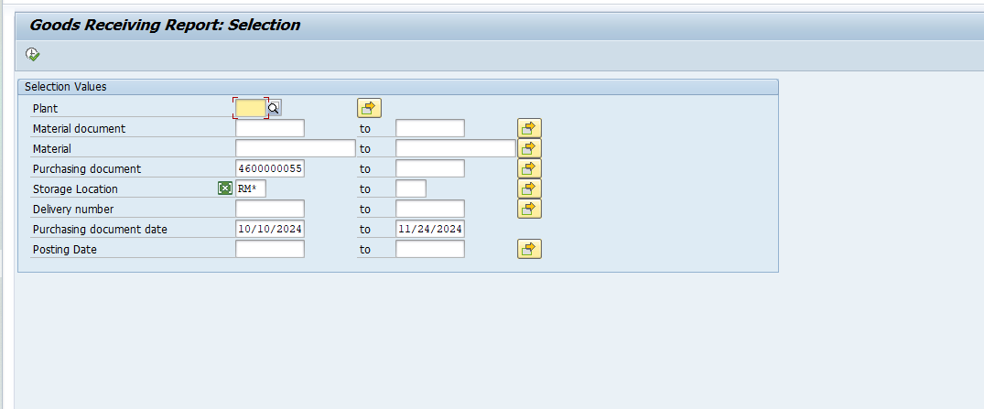
 |  |  | Tcode
 |  |  | Cách thực hiện
 |  |  | Hình ảnh thực hiện trên hệ thống

MM.R01_TC.UI.02
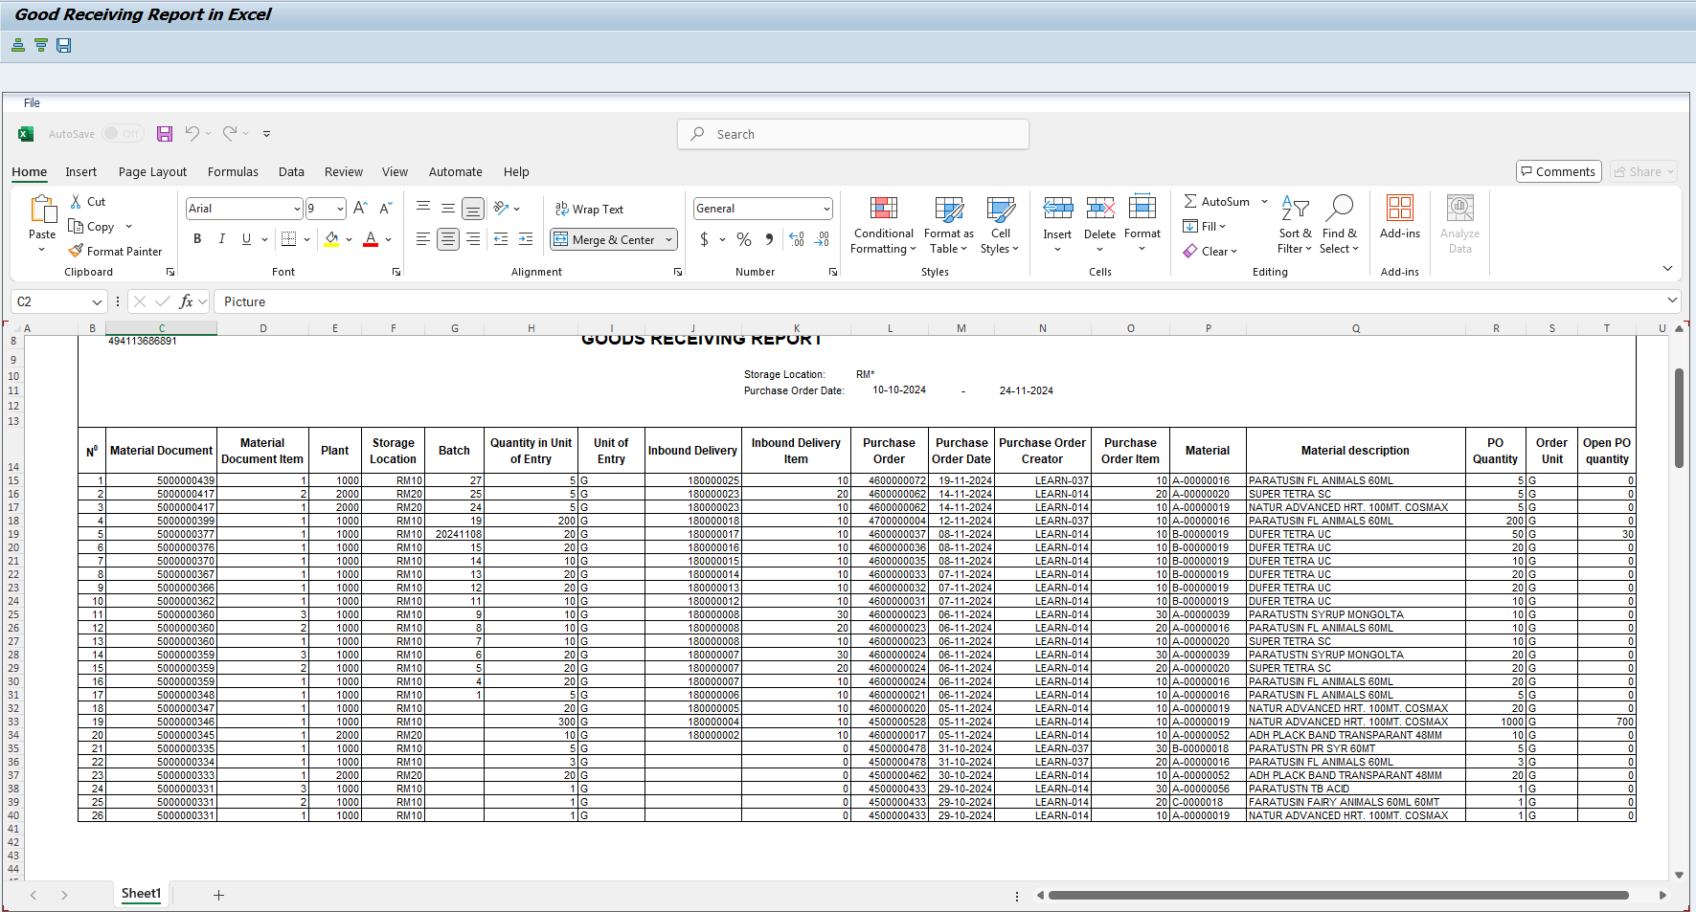
back | 2 |  | 5 | 17 | 30 | 41 | 50 | 59 | 68 | 74 | 80 | 82
 | NO. |  | Testcase | Input | Execution | Predicted Test Results | Actual Test Result | Bug Description | Test Results |  |  | Remarks
 |  |  |  |  |  |  |  |  | Tester | Test Date | Result
 | MM.R01_TC.UI.02 |  | Validate sorting in Excel | - Tcode: ZMMR01 - Mandatory: Material document - Optional: Plant, Storage Location, Material, Delivery Number, Posting Date, Purchasing document, Purchasing Date, PO number (Invalid) | 1. Run the report and open the Excel file. 2. Sort by a column (e.g. Material Document). | Data is sorted in ascending/descending order. | Nguyen Lan Ngoc |  | Người thực hiện | Ngày thực hiện | - | ghi chú nếu có

 | Step 1: | Tcode: ZMMR01

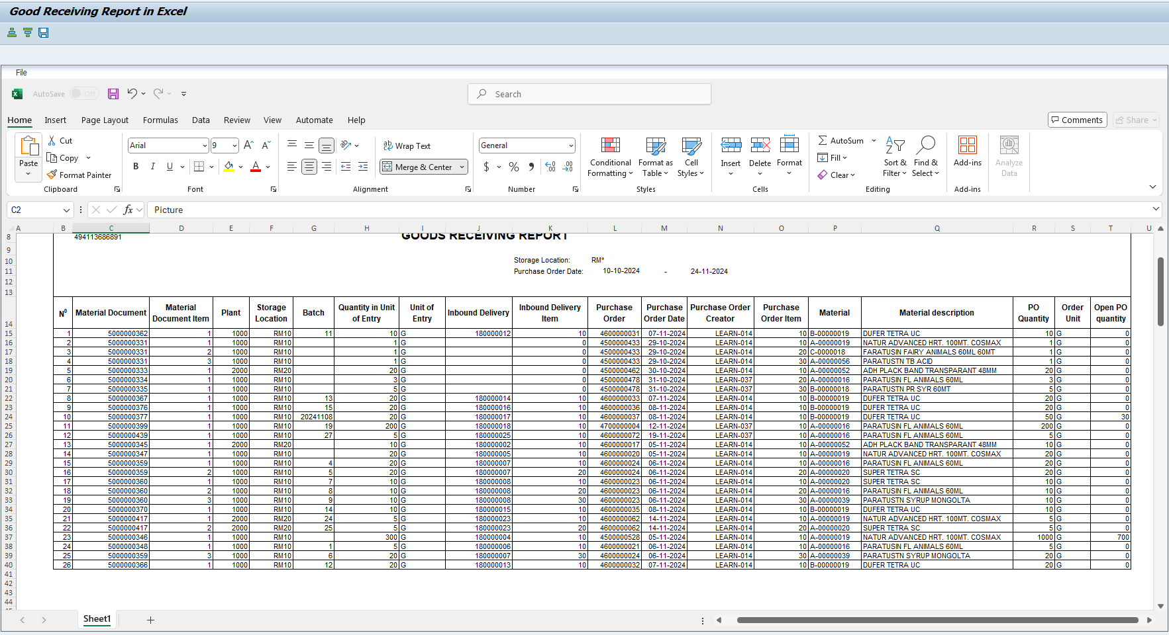
 |  |  | Cách thực hiện
 |  |  | Hình ảnh thực hiện trên hệ thống

 | Sort ASC
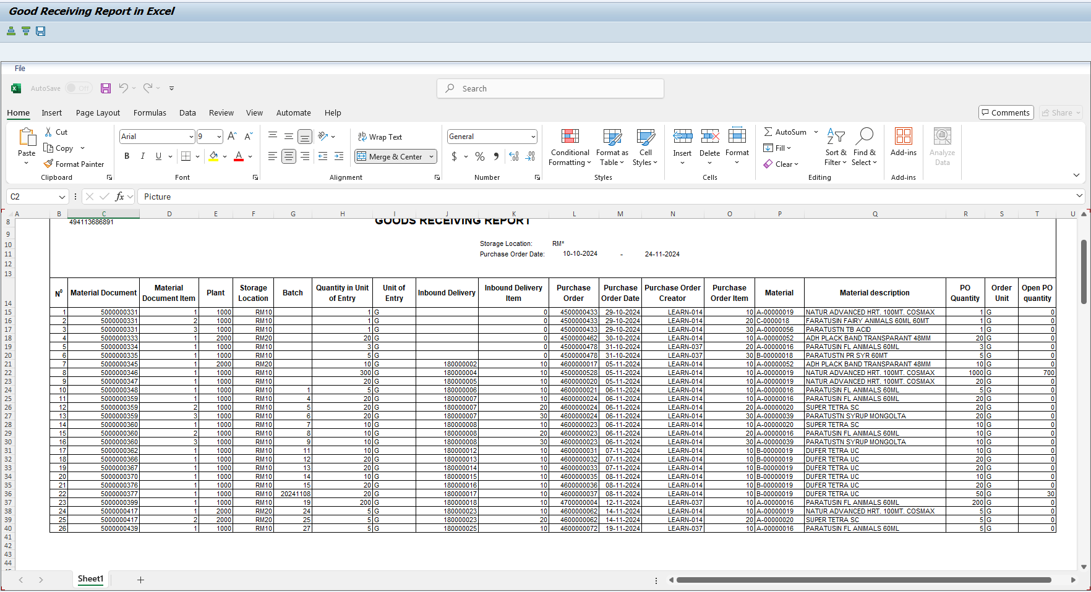

 | Sort DES

